Test Plan
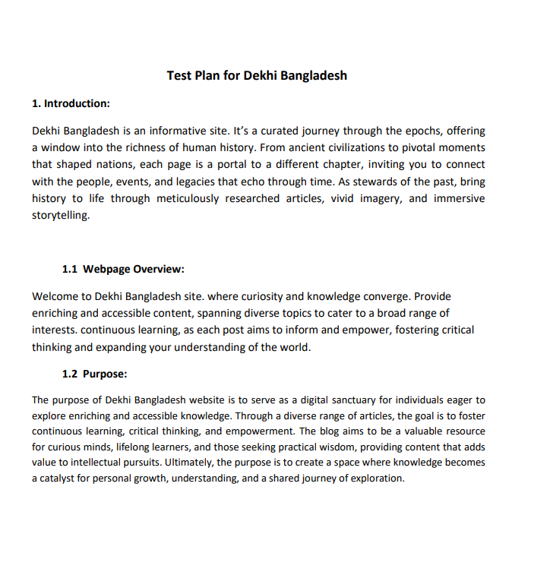

Mind Map
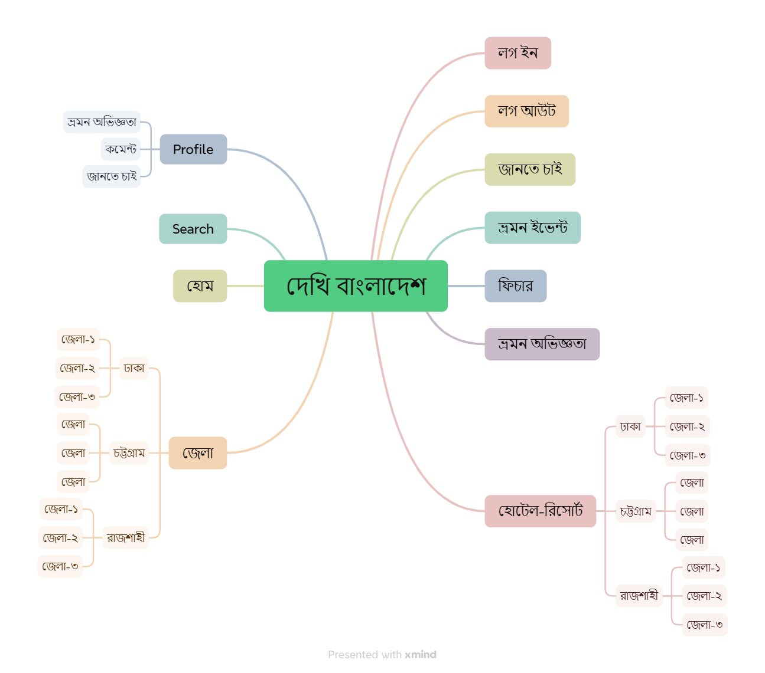
দেখি বাংলাদেশ Mind Map

